Belt Tension Calculator
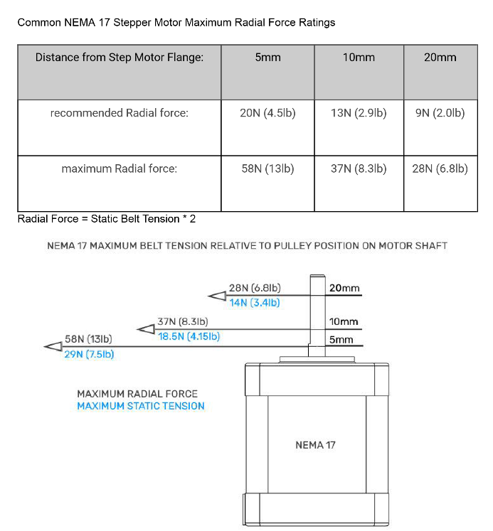
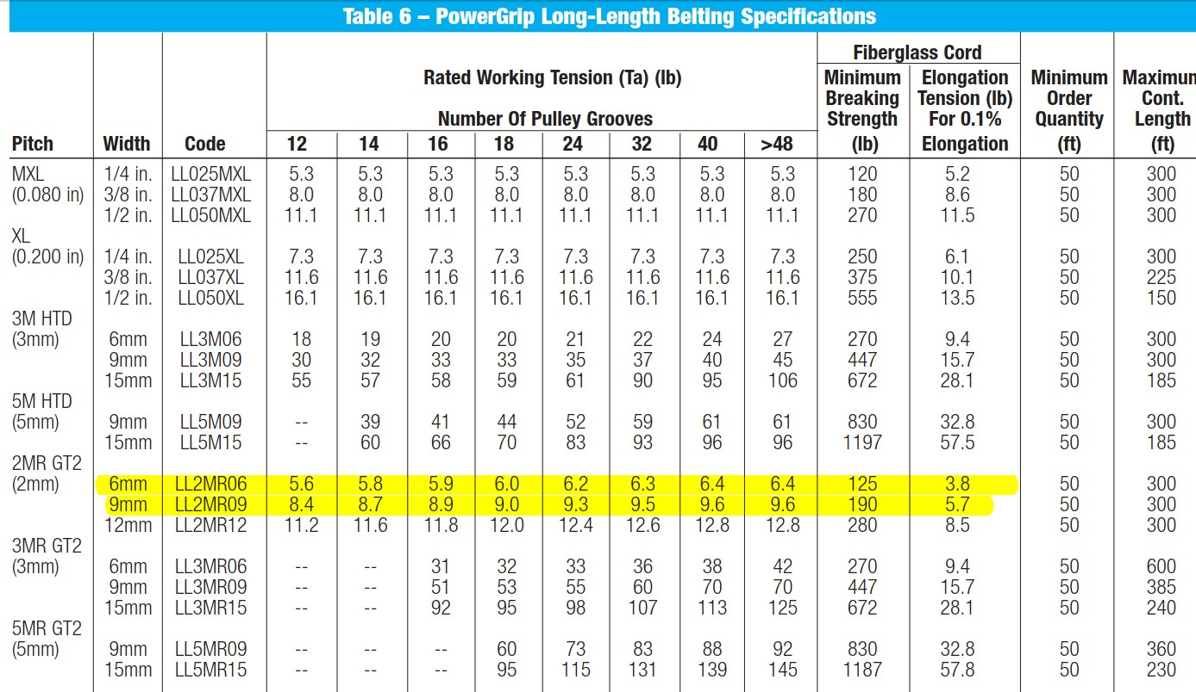
Belt Type | GT2 | GT2 | GT2 EPDM | Units
Belt Width | 6 | 9 | 6 | mm
Tension % | 75% | 75% | 100%
Belt Density | 0.0083 | 0.0124 | 0.0079 | kg/m
Tension | 6.00 | 9.00 | 8.00 | lbf
 | 26.69 | 40.03 | 35.59 | N

Length | 150 | 150 | 150 | mm
 | 0.15 | 0.15 | 0.15 | m

Frequency | 189.02 | 189.25 | 224.15 | Hz

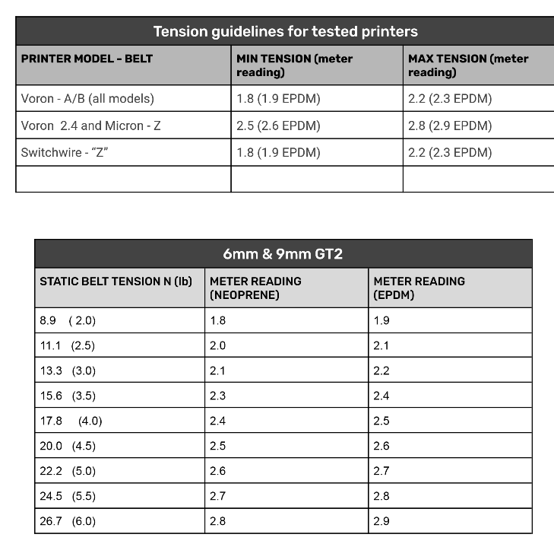

 |  |  |  |  | Graphs and pictures taken from
 |  |  |  |  | https://github.com/Diyshift/3D-Printer/tree/main/GT2%20Belt%20Tension%20Meter

 |  |  |  |  | 1.90 on the tension meter is 115hz
 |  |  |  |  | 2.0 on the tension meter is 122 hz

